pantallazos
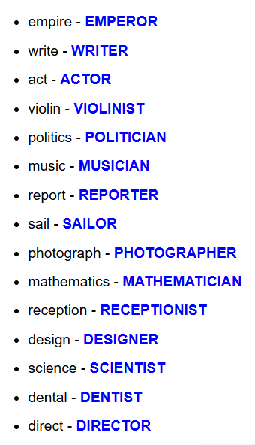
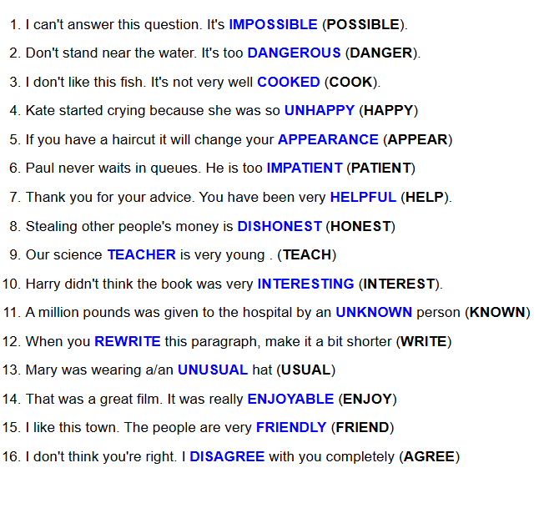
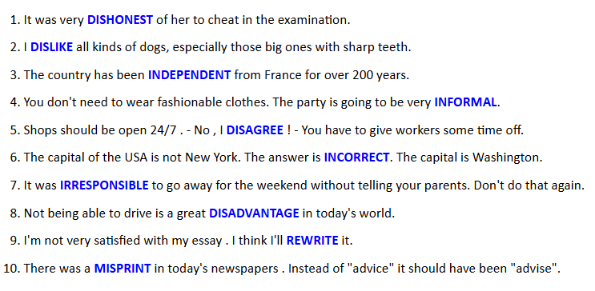
https://www.english-grammar.at/online_exercises/prefixes-suffixes/prefixes-suffixes-index.htm

